Global
Severe Food Insecurity
data from: https://www.fao.org/faostat/en/#data/FS

Region | Severe food insecurity | World Baseline
Africa | 21.1% | 9.8%
Asia | 8.6% | 9.8%
Europe | 1.9% | 9.8%
Latin America and the Caribbean | 6.7% | 9.8%
Oceania | 10.3% | 9.8%
United States of America | 1.1% | 9.8%

Moderate Food Insecurity
Region | Moderate food insecurity | World Baseline
Africa | 57.4% | 26.8%
Asia | 21.8% | 26.8%
Europe | 7.4% | 26.8%
Latin America and the Caribbean | 24.2% | 26.8%
Oceania | 26.7% | 26.8%
United States of America | 10.7% | 26.8%

Undernourishment
Region | Undernourishment | World Baseline
Africa | 20.1% | 8.1%
Asia | 6.5% | 8.1%
Europe | 2.5% | 8.1%
Latin America and the Caribbean | 5.1% | 8.1%
Oceania | 8.2% | 8.1%
United States of America | 2.5% | 8.1%

Prevalence of Unaffordability
Region | Prevalence of unaffordability | World Baseline
Africa | 66.6% | 32.7%
Asia | 28.9% | 32.7%
Europe | 8.2% | 32.7%
Latin America and the Caribbean | 25.7% | 32.7%
Oceania | 5.0% | 32.7%
United States of America | 4.5% | 32.7%

US
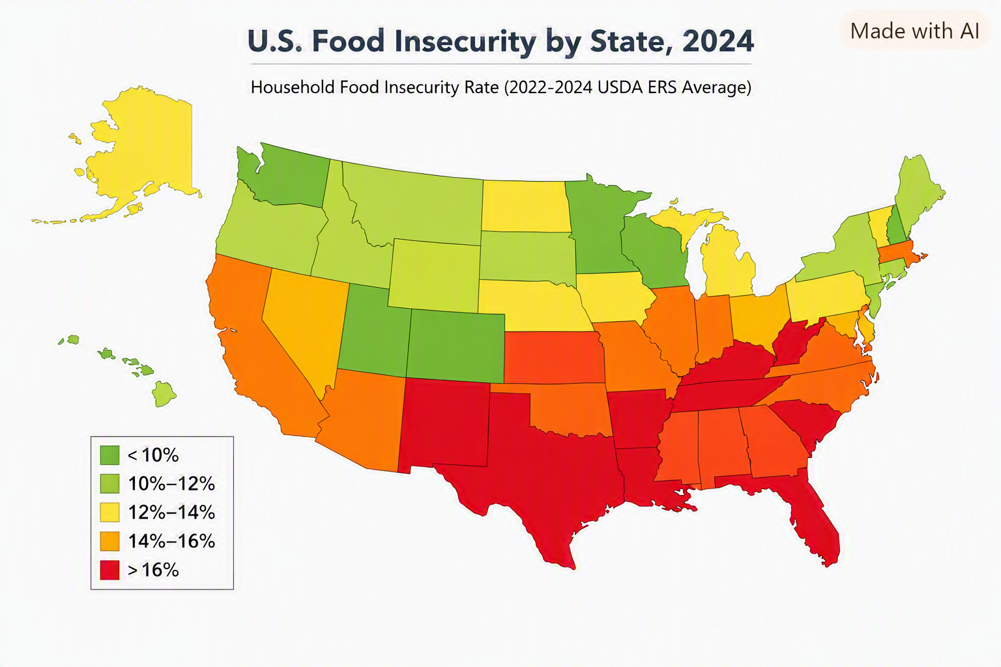
 | Food insecurity | Very low food security
AK | 13.0% | 6.5%
AL | 12.1% | 4.6%
AR | 19.4% | 7.6%
AZ | 13.1% | 5.6%
CA | 12.5% | 4.4%
CO | 10.5% | 4.3%
CT | 12.1% | 5.7%
DC | 10.3% | 4.9%
DE | 10.8% | 4.5%
FL | 13.3% | 4.8%
GA | 14.6% | 5.9%
HI | 10.8% | 4.5%
IA | 10.8% | 3.9%
ID | 12.6% | 4.5%
IL | 13.3% | 4.8%
IN | 13.7% | 5.9%
KS | 12.5% | 4.9%
KY | 18.8% | 9.0%
LA | 17.7% | 6.8%
MA | 11.7% | 3.9%
MD | 11.5% | 4.8%
ME | 12.9% | 4.6%
MI | 14.7% | 6.3%
MN | 9.9% | 3.7%
MO | 13.3% | 5.9% | created with https://www.mapchart.net/usa.html
MS | 17.3% | 6.9%
MT | 11.7% | 4.2%
NC | 11.8% | 4.4%
ND | 9.0% | 4.1%
NE | 12.7% | 5.3%
NH | 9.1% | 4.4%
NJ | 9.8% | 3.5%
NM | 14.5% | 6.5%
NV | 15.0% | 6.1%
NY | 14.0% | 5.6%
OH | 14.2% | 6.2%
OK | 16.9% | 6.0%
OR | 12.5% | 5.7%
PA | 10.9% | 3.7%
RI | 10.6% | 5.1%
SC | 13.5% | 5.8%
SD | 9.5% | 3.4%
TN | 13.3% | 5.8%
TX | 17.6% | 6.6%
UT | 11.5% | 4.3%
VA | 12.4% | 5.3%
VT | 9.4% | 3.7%
WA | 11.0% | 3.9%
WI | 12.0% | 4.4%
WV | 14.1% | 4.3%
WY | 15.6% | 6.4%

max | 19.4% | 9.0%
 | Arkansas | Kentucky
min | 9.0% | 3.4%
 | North Dakota | South Dakota

average | 12.9% | 5.2%

Southeast
The Southeast region’s average food insecurity (15.5%) is ~2.5 percentage points higher than the national average (12.9%).

Arkansas (19.4%), Kentucky (18.8%), and Louisiana (17.7%) are the region’s highest contributors.

Alabama (12.1%) and North Carolina (11.8%) sit below the regional mean but still above the national average.

The Southeast’s very low food security rate (6.2%) indicates deeper hardship compared to the U.S. average (5.2%).
Southeast Food Insecurity

State | Food Insecurity | Very Low Food Security | US Average
AL | 12.1% | 4.6% | 12.9%
AR | 19.4% | 7.6% | 12.9%
FL | 13.3% | 4.8% | 12.9%
GA | 14.6% | 5.9% | 12.9%
KY | 18.8% | 9.0% | 12.9%
LA | 17.7% | 6.8% | 12.9%
MS | 17.3% | 6.9% | 12.9%
NC | 11.8% | 4.4% | 12.9%
OK | 16.9% | 6.0% | 12.9%
SC | 13.5% | 5.8% | 12.9%
TN | 13.3% | 5.8% | 12.9%
TX | 17.6% | 6.6% | 12.9%

average | 15.5% | 6.2% | 5.20%
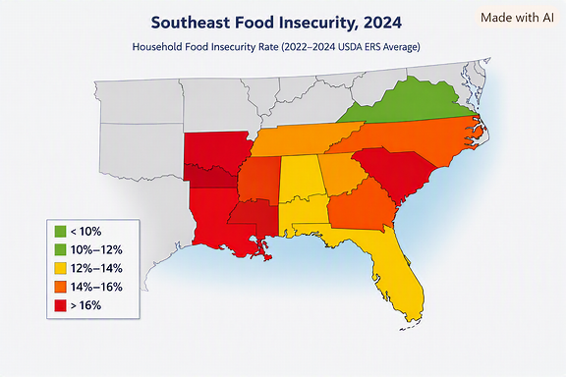
The Southeast’s higher rates reflect persistent structural challenges — rural access gaps, income disparities, and limited retailer proximity in several states.

Why the Southeast Outpaces the U.S. Average

The region’s 15.8% food‑insecurity rate (vs. 12.9% nationally) emerges from the interaction of:
High poverty
Rural geography
Weak retailer networks
Transportation barriers
Demographic vulnerabilities
Policy gaps

It’s not one factor—it’s the stacking of all of them.

 |  |  |  | created with https://www.mapchart.net/usa.html

Alabama
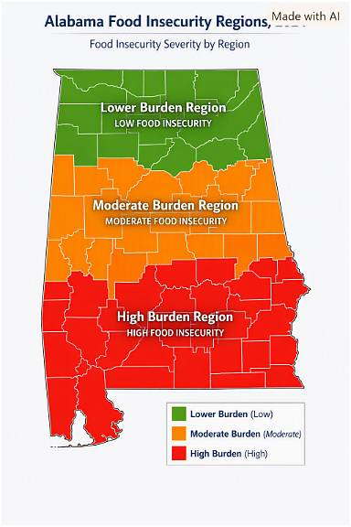
County | Population | Low Access Population | Low Income Population | LA-LI Population | Low Access % | Low Income % | LA-LI %
Autauga County | 58,805 | 9,950 | 42,372 | 6,778 | 16.9% | 72.1% | 16.0%
Baldwin County | 231,767 | 55,259 | 179,166 | 42,834 | 23.8% | 77.3% | 23.9%
Barbour County | 25,223 | 2,783 | 11,336 | 1,242 | 11.0% | 44.9% | 11.0%
Bibb County | 22,293 | 567 | 11,509 | 277 | 2.5% | 51.6% | 2.4%
Blount County | 59,134 | 178 | 39,816 | 115 | 0.3% | 67.3% | 0.3%
Bullock County | 10,357 | 712 | 2,944 | 311 | 6.9% | 28.4% | 10.6%
Butler County | 19,051 | 1,199 | 10,225 | 621 | 6.3% | 53.7% | 6.1%
Calhoun County | 116,441 | 24,288 | 66,621 | 14,618 | 20.9% | 57.2% | 21.9%
Chambers County | 34,772 | 4,042 | 19,163 | 2,048 | 11.6% | 55.1% | 10.7%
Low Access & Low Access Against Total Population
Cherokee County | 24,971 | 334 | 15,209 | 230 | 1.3% | 60.9% | 1.5%
Chilton County | 45,014 | 6,666 | 28,985 | 3,829 | 14.8% | 64.4% | 13.2%
Choctaw County | 12,665 | 1,136 | 7,128 | 610 | 9.0% | 56.3% | 8.6%
Clarke County | 23,087 | 1,523 | 13,522 | 937 | 6.6% | 58.6% | 6.9%
Clay County | 14,236 | 394 | 8,204 | 242 | 2.8% | 57.6% | 2.9%
Cleburne County | 15,056 | 84 | 9,594 | 52 | 0.6% | 63.7% | 0.5%
Coffee County | 53,465 | 8,139 | 35,880 | 6,297 | 15.2% | 67.1% | 17.6%
Colbert County | 57,227 | 4,516 | 38,783 | 3,549 | 7.9% | 67.8% | 9.2%
Conecuh County | 11,597 | 1,435 | 5,377 | 700 | 12.4% | 46.4% | 13.0%
Coosa County | 10,387 | 657 | 5,876 | 449 | 6.3% | 56.6% | 7.6%
Covington County | 37,570 | 1,282 | 20,965 | 631 | 3.4% | 55.8% | 3.0%
Crenshaw County | 13,194 | 608 | 7,691 | 344 | 4.6% | 58.3% | 4.5%
Cullman County | 87,866 | 3,981 | 56,340 | 3,114 | 4.5% | 64.1% | 5.5%
Dale County | 49,326 | 3,758 | 28,758 | 1,879 | 7.6% | 58.3% | 6.5%
Dallas County | 38,462 | 4,303 | 16,719 | 2,180 | 11.2% | 43.5% | 13.0%
DeKalb County | 71,608 | 229 | 37,066 | 109 | 0.3% | 51.8% | 0.3%
Elmore County | 87,977 | 7,536 | 62,693 | 5,295 | 8.6% | 71.3% | 8.4%
Escambia County | 36,757 | 2,046 | 18,421 | 1,106 | 5.6% | 50.1% | 6.0%
Etowah County | 103,436 | 15,156 | 61,532 | 8,612 | 14.7% | 59.5% | 14.0%
Fayette County | 16,321 | 366 | 9,449 | 228 | 2.2% | 57.9% | 2.4%
Franklin County | 32,113 | 4,548 | 17,735 | 2,504 | 14.2% | 55.2% | 14.1%
Geneva County | 26,659 | 68 | 14,814 | 32 | 0.3% | 55.6% | 0.2%
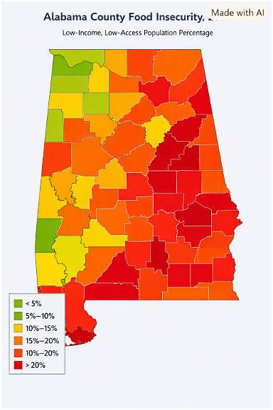
Greene County | 7,730 | 633 | 2,676 | 226 | 8.2% | 34.6% | 8.4% |  | Food Insecurity (Low-Income, Low-Access)
Hale County | 14,785 | 1,091 | 8,375 | 607 | 7.4% | 56.6% | 7.2%
Henry County | 17,146 | 416 | 10,791 | 264 | 2.4% | 62.9% | 2.4%
Houston County | 107,202 | 13,266 | 66,396 | 9,301 | 12.4% | 61.9% | 14.0%
Jackson County | 52,579 | 3,804 | 30,141 | 2,142 | 7.2% | 57.3% | 7.1%
Jefferson County | 674,721 | 185,974 | 432,022 | 133,014 | 27.6% | 64.0% | 30.8%
Lamar County | 13,972 | 134 | 7,551 | 74 | 1.0% | 54.0% | 1.0%
Lauderdale County | 93,564 | 7,365 | 64,462 | 5,268 | 7.9% | 68.9% | 8.2%
Lawrence County | 33,073 | 189 | 21,355 | 139 | 0.6% | 64.6% | 0.7%
Lee County | 174,241 | 48,766 | 115,043 | 37,598 | 28.0% | 66.0% | 32.7%
Limestone County | 103,570 | 14,838 | 81,077 | 12,769 | 14.3% | 78.3% | 15.7%
Lowndes County | 10,311 | 532 | 4,372 | 192 | 5.2% | 42.4% | 4.4%
Macon County | 19,532 | 7,772 | 8,033 | 2,498 | 39.8% | 41.1% | 31.1%
Madison County | 388,153 | 120,950 | 301,347 | 106,257 | 31.2% | 77.6% | 35.3%
Marengo County | 19,323 | 3,561 | 10,498 | 1,970 | 18.4% | 54.3% | 18.8%
Marion County | 29,341 | 514 | 17,282 | 294 | 1.8% | 58.9% | 1.7%
Marshall County | 97,612 | 14,890 | 61,435 | 8,284 | 15.3% | 62.9% | 13.5%
Mobile County | 414,809 | 60,092 | 252,177 | 39,741 | 14.5% | 60.8% | 15.8%
Monroe County | 19,772 | 2,475 | 11,104 | 1,589 | 12.5% | 56.2% | 14.3%
Montgomery County | 228,954 | 48,105 | 133,248 | 33,781 | 21.0% | 58.2% | 25.4%
Morgan County | 123,421 | 25,045 | 83,913 | 18,222 | 20.3% | 68.0% | 21.7%
Perry County | 8,511 | 1,058 | 2,711 | 454 | 12.4% | 31.9% | 16.7%
Pickens County | 19,123 | 1,112 | 9,448 | 593 | 5.8% | 49.4% | 6.3%
Pike County | 33,009 | 2,132 | 16,705 | 1,239 | 6.5% | 50.6% | 7.4%
Randolph County | 21,967 | 59 | 13,031 | 31 | 0.3% | 59.3% | 0.2%
Russell County | 59,183 | 10,045 | 32,203 | 5,859 | 17.0% | 54.4% | 18.2%
Shelby County | 223,024 | 80,021 | 185,749 | 68,184 | 35.9% | 83.3% | 36.7%
St. Clair County | 91,103 | 5,486 | 66,917 | 4,438 | 6.0% | 73.5% | 6.6%
Sumter County | 12,345 | 1,780 | 4,358 | 688 | 14.4% | 35.3% | 15.8%
Talladega County | 82,149 | 10,232 | 46,464 | 6,020 | 12.5% | 56.6% | 13.0%
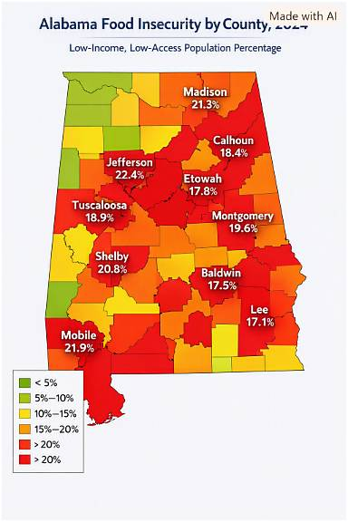
Tallapoosa County | 41,311 | 2,320 | 25,073 | 1,222 | 5.6% | 60.7% | 4.9% | created with https://www.mapchart.net/usa.html
Tuscaloosa County | 227,036 | 45,237 | 146,945 | 36,811 | 19.9% | 64.7% | 25.1%
Walker County | 65,342 | 3,778 | 39,399 | 2,373 | 5.8% | 60.3% | 6.0%
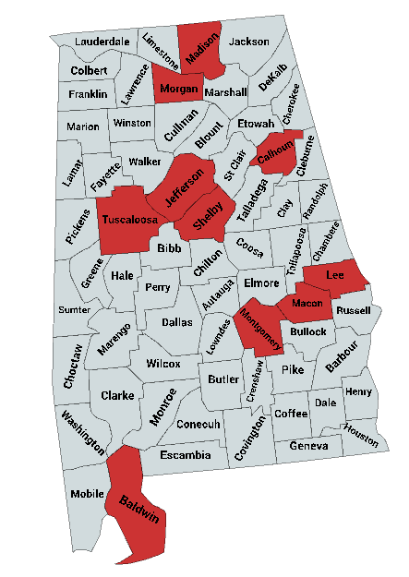
Washington County | 15,388 | 1,563 | 9,641 | 839 | 10.2% | 62.7% | 8.7%
Wilcox County | 10,600 | 1,797 | 4,902 | 860 | 17.0% | 46.2% | 17.5%
Winston County | 23,540 | 648 | 13,166 | 399 | 2.8% | 55.9% | 3.0%

 | Rank | County | Low‑Income Low‑Access % | Key Drivers
 | 1 | Shelby | 36.70% | Suburban sprawl, limited SNAP stores
 | 2 | Madison | 35.30% | Rapid growth, uneven retailer spread
 | 3 | Lee | 32.70% | Rapid population growth, uneven retailer access
 | 4 | Macon County | 31.10%
 | 5 | Jefferson | 30.80% | Dense urban poverty, retailer clustering
 | 6 | Montgomery | 25.40% | Urban‑rural divide, high poverty pockets
 | 7 | Tuscaloosa | 25.10% | Student‑driven demand, low‑income tracts
 | 8 | Baldwin | 23.90% | Tourism economy, seasonal employment
 | 9 | Calhoun | 21.90% | Industrial decline, limited fresh‑food outlets
 | 10 | Morgan County | 21.70%

Alabama Regions
1. The Black Belt (Dallas, Wilcox, Perry, Sumter, Lowndes, Greene, Marengo)
Highest vulnerability in the state. |  | Region | Representative Counties | Color | Food‑Insecurity Severity
 |  | The Black Belt | Dallas, Wilcox, Perry, Sumter, Lowndes, Greene, Marengo | Deep red | Highest — persistent poverty, limited retailer access
Drivers: |  | Rural North Alabama | Jackson, Marshall, DeKalb, Cherokee | Yellow‑orange | Moderate — rural isolation, transportation barriers
Very high poverty |  | Urban Centers | Birmingham, Montgomery, Mobile, Huntsville | Orange‑red | High — concentrated poverty, urban food deserts
Limited grocery access |  | The Wiregrass | Dothan, Enterprise, Ozark | Light orange | Moderate‑Low — mixed rural‑urban economy, seasonal employment
High diet concentration (low diversity)
High price sensitivity
Low local fruit/veg production |  | The Black Belt remains the most food‑insecure region, with rates often exceeding 20 %.
High reliance on imported nutritious foods |  | Urban Centers show high insecurity despite proximity to retailers, driven by income inequality.
This region is the strongest example of nutrient insecurity, not caloric insecurity. |  | Rural North and Wiregrass regions face moderate challenges tied to distance and economic structure.

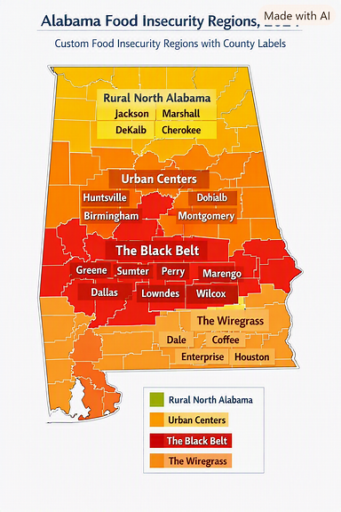
2. Rural North Alabama (Jackson, Marshall, DeKalb, Cherokee)
Drivers:
Better agricultural production
But limited retail access
High transportation barriers
High reliance on out‑of‑state produce
Climate exposure (flooding, storms)
Risk type: access + climate vulnerability.

3. Urban Centers (Birmingham, Montgomery, Mobile, Huntsville)
Mixed vulnerability.
Birmingham & Montgomery
High food insecurity pockets
High price sensitivity
Strong food desert presence
High dependence on imported produce

Mobile
High seafood import dependency
Climate risk (hurricanes)
High retail access but low affordability

Huntsville
Lowest vulnerability in the state
High retail access
Higher incomes
Better diet diversity
Risk type: affordability + neighborhood-level access gaps.

4. The Wiregrass (Dothan, Enterprise, Ozark)
Drivers:
Strong peanut & poultry production
Low fruit/veg production
High reliance on imported produce
Moderate food insecurity |  | Region | Representative Counties | Avg Low‑Income Low‑Access %
Risk type: nutrient diversity + import dependency. |  | The Black Belt | Dallas, Wilcox, Perry, Sumter, Lowndes, Greene, Marengo | 21.8 %
 |  | Urban Centers | Birmingham (Jefferson), Montgomery, Mobile, Huntsville (Madison) | 19.0 %
 |  | Rural North Alabama | Jackson, Marshall, DeKalb, Cherokee | 13.6 %
 |  | The Wiregrass | Dothan (Houston), Enterprise (Coffee), Ozark (Dale) | 11.2 %

 |  | The Black Belt remains the most food‑insecure region, with entrenched poverty and limited retailer access.

 |  | Urban Centers show high rates despite proximity to stores — driven by income inequality and transportation barriers.

 |  | Rural North faces moderate insecurity due to isolation and fewer full‑service grocers.
Urban vs Rural | https://arhaonline.org/analysis-of-urban-vs-rural/
Black Belt Region | https://encyclopediaofalabama.org/article/black-belt-region-in-alabama/ | Wiregrass counties fare better overall but still experience seasonal employment‑related access issues.
Wiregrass Region | https://encyclopediaofalabama.org/article/wiregrass-region/
Coastline Region | https://encyclopediaofalabama.org/article/alabamas-coastline/

County | Region
Autauga County
Baldwin County | Urban
Barbour County | Black Belt
Bibb County
Blount County
Bullock County | Black Belt
Butler County | Black Belt
Calhoun County | Urban
Chambers County
Cherokee County
Chilton County
Choctaw County | Black Belt
Clarke County
Clay County
Cleburne County
Coffee County | Wiregrass
Colbert County
Conecuh County
Coosa County
Covington County | Wiregrass
Crenshaw County | Black Belt
Cullman County
Dale County
Dallas County | Black Belt
DeKalb County
Elmore County
Escambia County
Etowah County | Urban
Fayette County
Franklin County
Geneva County | Wiregrass
Greene County | Black Belt
Hale County | Black Belt
Henry County | Wiregrass
Houston County | Wiregrass
Jackson County
Jefferson County | Urban
Lamar County
Lauderdale County | Urban
Lawrence County
Lee County | Urban
Limestone County
Lowndes County | Black Belt
Macon County | Black Belt
Madison County | Urban
Marengo County | Black Belt
Marion County
Marshall County
Mobile County | Urban
Monroe County
Montgomery County | Black Belt
Morgan County | Urban
Perry County | Black Belt
Pickens County | Black Belt
Pike County | Black Belt
Randolph County
Russell County | Black Belt
Shelby County | Urban
St. Clair County
Sumter County | Black Belt
Talladega County
Tallapoosa County
Tuscaloosa County | Urban
Walker County
Washington County
Wilcox County | Black Belt
Winston County

previous Global
 | Severe food insecurity | Moderate food insecurity | Undernourishment | Prevalence of unaffordability
World | 9.8% | 26.8% | 8.1% | 32.7%
Africa | 21.1% | 57.4% | 20.1% | 66.6%
Global food‑insecurity indicators
 | Severe food insecurity | Moderate food insecurity | Undernourishment | Prevalence of unaffordability
World | 0.098 | 0.268 | 0.081 | 0.327
Africa | 0.211 | 0.574 | 0.201 | 0.666
Asia | 0.086 | 0.218 | 0.065 | 0.289
Europe | 0.019 | 0.074 | 0.025 | 0.082
Latin America and the Caribbean | 0.067 | 0.242 | 0.051 | 0.257
Oceania | 0.103 | 0.267 | 0.082 | 0.05
United States of America | 0.011 | 0.107 | 0.025 | 0.045
Asia | 8.6% | 21.8% | 6.5% | 28.9%
Europe | 1.9% | 7.4% | 2.5% | 8.2%
Latin America and the Caribbean | 6.7% | 24.2% | 5.1% | 25.7%
Oceania | 10.3% | 26.7% | 8.2% | 5.0%
United States of America | 1.1% | 10.7% | 2.5% | 4.5%

previous US Regions
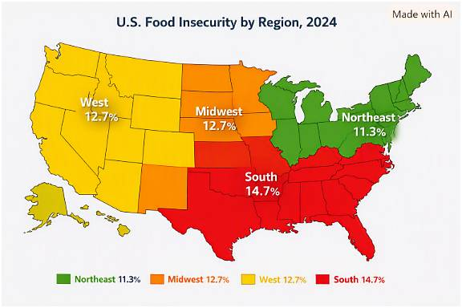
Region | States | Average food insecurity % | Notable highs
Northeast | CT, ME, MA, NH, NJ, NY, PA, RI, VT | 11.30% | NY (14.0%), ME (12.9%)
Midwest | IL, IN, IA, KS, MI, MN, MO, NE, ND, OH, SD, WI | 12.70% | MI (14.7%), OH (14.2%)
South | AL, AR, DE, DC, FL, GA, KY, LA, MD, MS, NC, OK, SC, TN, TX, VA, WV | 14.70% | AR (19.4%), KY (18.8%), TX (17.6%)
West | AK, AZ, CA, CO, HI, ID, MT, NV, NM, OR, UT, WA, WY | 12.70% | NV (15.0%), NM (14.5%), WY (15.6%)

The South has the highest average food insecurity (≈14.7%), driven by persistently high rates in Arkansas, Kentucky, Louisiana, Mississippi, and Texas.

The Northeast shows the lowest average (≈11.3%), with most states below the national 13.3% average.

The Midwest and West hover near the national mean, but the West has sharper contrasts — low in Washington and Colorado, high in Nevada and New Mexico.

previous Southeast
The Southeast region’s average food insecurity (15.8%) is ~2.5 percentage points higher than the national average (13.3%).

Arkansas (19.4%), Kentucky (18.8%), and Louisiana (17.7%) are the region’s highest contributors.

Alabama (12.1%) and North Carolina (11.8%) sit below the regional mean but still above the national average.

The Southeast’s very low food security rate (6.3%) indicates deeper hardship compared to the U.S. average (5.2%).
Southeast United States

State | Food Insecurity % | Very Low Food Security % | Margin of Error (pp) | Rank (High→Low) | US Average %
Arkansas | 19.4 | 7.6 | 1.67 | 1 | 12.9
Kentucky | 18.8 | 9 | 2.8 | 2 | 12.9
Louisiana | 17.7 | 6.8 | 2.29 | 3 | 12.9
Mississippi | 17.3 | 6.9 | 1.62 | 4 | 12.9
Georgia | 14.6 | 5.9 | 1.95 | 5 | 12.9
South Carolina | 13.5 | 5.8 | 1.6 | 6 | 12.9
Tennessee | 13.3 | 5.8 | 1.72 | 7 | 12.9
Florida | 13.3 | 4.8 | 1.28 | 7 | 12.9
Alabama | 12.1 | 4.6 | 2.23 | 9 | 12.9
North Carolina | 11.8 | 4.4 | 1.66 | 10 | 12.9

The Southeast’s higher rates reflect persistent structural challenges — rural access gaps, income disparities, and limited retailer proximity in several states.

Why the Southeast Outpaces the U.S. Average

The region’s 15.8% food‑insecurity rate (vs. 12.9% nationally) emerges from the interaction of:
High poverty
Rural geography
Weak retailer networks
Transportation barriers
Demographic vulnerabilities
Policy gaps

It’s not one factor—it’s the stacking of all of them.

